Description
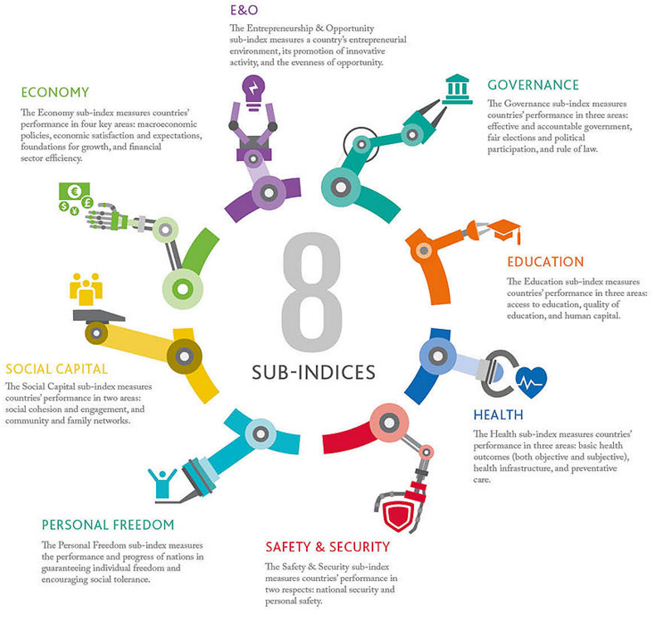
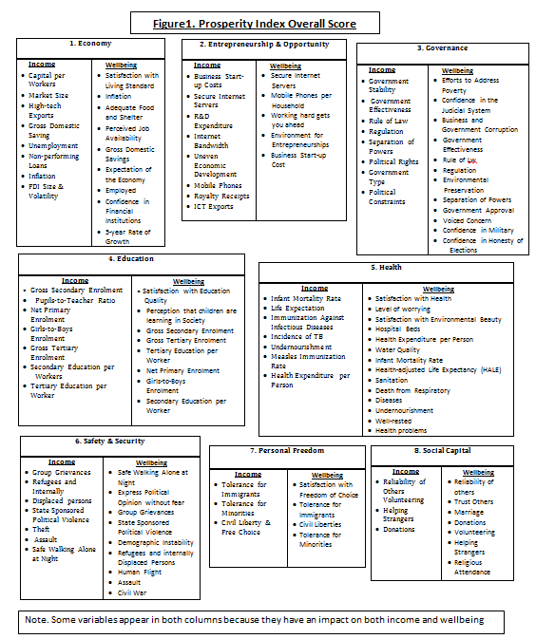
Legatum Prosperity Index (PI)
Legatum Prosperity Index developed by the Legatum Institute Foundation as a charity, and a company limited by guarantee and incorporated in England and Wales, facilitated an annual ranking of countries. The index starts from 2009, the index cover 142 countries in the world, accounting for 96 % of the world’s population and 99 % of global GDP making. The Index is unique in defining prosperity as a combination of wealth (Income) and wellbeing. The Prosperity Index measures the broad set of indicators these include 89 variables which are spread across eight sub-indices: economy, entrepreneurship & opportunity, governance, education, health, safety & security personal freedom, and social capital. On average, over the last six years, global performance on each of these has improved. LPI report is issued annually.
Methodology
Traditionally, a nation’s prosperity has been based solely on macroeconomic indicators such as a country’s income, represented either by GDP or by average income per person (GDP per capita). However, most people would agree that prosperity is more than just the accumulation of material wealth. It is also the joy of everyday life and the prospect of being able to build an even better life in the future. In recent years, governments, academics, international organizations and businesses have increasingly moved their attention towards indicators that measure wellbeing to complement GDP. The GDP and beyond’ approach provides a stimulating challenge, of academic and analytical rigour in creating the Legatum Prosperity Index. The Index not only recognizes the need for a country to promote high levels of per capita income, but also advocates improvements in the subjective wellbeing of its citizens (including economy, Entrepreneurship and opportunity, governance, education, health, safety and security, personal freedom, and social capital).
MEASUREMENT OF A COUNTRY’S OVERALL PROSPERITY
1- Selecting the variables. Starting with the current academic literature on economic growth and wellbeing, we identified a large number of variables (more than 200 in total) that have a proven impact upon wealth and wellbeing. The final variables were selected according to their global coverage and by using regression analysis to determine those that have a statistically significant relationship with wealth and wellbeing. The remaining 89 variables are divided into eight sub-indices depending on what aspect of prosperity the data influence.
2- Standardization. The 89 variables use many different units of measurement. For example, the proportion of citizens that express confidence in financial institutions is measured in percentage terms, while capital per worker is measured in US Dollars. We transformed all variables to a common scale using a statistical technique called standardisation. A variable is standardised by subtracting the mean and dividing by the standard deviation.
3- Variable weights. When the methodology was set in 2010, we also determined the weight of each variable, using regression analysis. A variable’s weight (or ‘coefficient’) represents its relative importance to the outcome (either income or wellbeing). In other words, statistically speaking, some things matter more to prosperity than others.
HOW TO CALCULATE PI SCORES AND RANKINGS
4- Income and Wellbeing scores. For each country, the latest data available in 2015 were gathered for the 89 variables. The raw values are standardized and multiplied by the weights. The weighted variable values are then summed to produce a country’s wellbeing and income score in each sub-index. The income and wellbeing scores are then standardised so that they can be compared.
5- Sub-index scores. The standardized income and wellbeing scores are added together to create the countries’ sub-index scores. Countries are ranked according to their scores in each of the eight sub-indices.
6- Prosperity Index score. Finally, the Prosperity Index score is determined by assigning equal weights to all eight sub-indices. The average of the eight sub-indices yields a country’s overall Prosperity score. The overall Prosperity Index rankings are based on this score.

The LPI data covers the period from 2009 to 2015 for Kuwait and its 14 comparator countries.

